How to use
 | Responsible Procurement Commodity Mapping Tool

Overview | The UKUPC Responsible Procurement Commodity Mapping Tool is used to identify thematic areas which should be considered in procurement of the category in question. It has been developed by members of the EAUC & HEPA Responsible Procurement Group (RPG) & UKUPC Responsible Procurement Network. The sustainability themes mapped align to the themes set out in the Sustain Supply Chain Code of Conduct (2021b) Note: The information contained in the tool is an indicative assessment of risks at ProcHE level 2 and may not capture the complexities of certain risks specific to your requirements. Information on the factors and assumptions used in setting the ratings can be found in the end tab, users should bear in mind the subjective nature of establishing relevant classifications. As such users should apply their knowledge and experience when interpreting the allocated scores in the specific context of the procurement, supported by dialogue with internal stakeholders and the market to identify how to manage the specific risks and maximise opportunities. Specific attention needs to be given to issues presenting as N/A where risk is unknown.
Contact | For further details on this mapping tool, please contact:
Version | This is version 2.0, released in November 2025. The mapping tool will be reviewed from a thematic perspective in line with updates to the Sustain Supply Chain Code of Conduct. Any review of specific coding values between these formal review points will be considered on a needs basis.
Feedback | Please provide feedback via the below form where you consider a review of specific coding values assigned to commodities is required. Submitted information will be collated and a review will take place in late 2026 / early 2027.
 | Feedback form for UKUPC Responsible Procurement Mapping Tool
Using the Tool
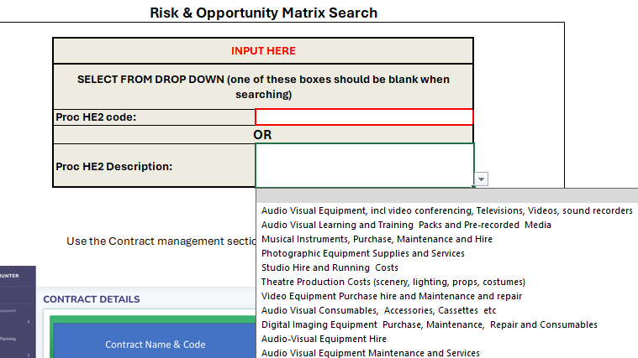
Input | Select the PROC-HE2 commodity code / description within the "Mapping Tool Search" Tab (cells E6 OR E9).

Establishing PROC-HE2 Code | Hints & Tips: One method for establishing the PROC-HE2 code is through Hunter.

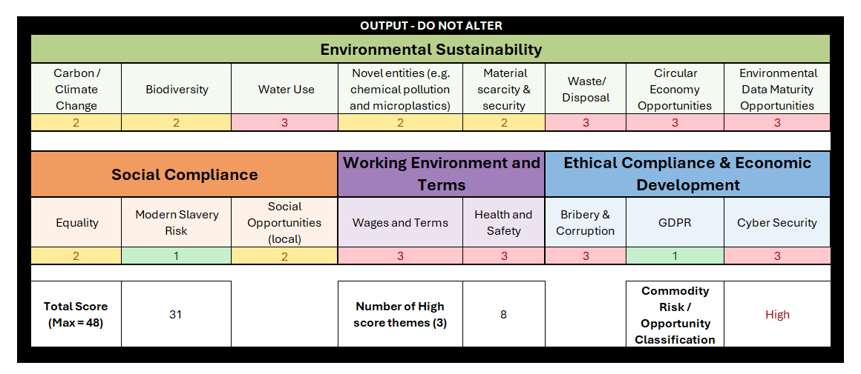
How the Outputs have been developed | These scores have been developed by RPG representatives, or colleagues from RPG institutions who have specific expertise in these themes. Additional details on the assumptions made are available on the "Factors & Assumptions "tab. Regard always needs to be had to the generalised and subjective nature of the ratings and due consideration to risk in the specific procurement context should always be given.
Outputs | Once a specific PROC-HE2 code or description is selected, the output table on the right hand side of the "Mapping Tool Search" will populate with the associated risk or opportunity level.

Risk Score | The output table provides a risk and opportunity level for each of the themes outlined. Scores of 3 are considered a higher risk / opportunity.

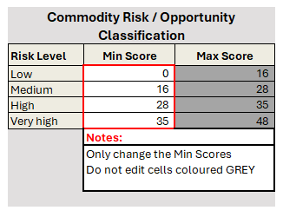
How to use the outputs | A holistic view should be taken of identified risks which should be proportionally considered throughout the procurement process. Risks can be further understood and managed through market research, discussions with key stakeholders, or experts in the specific theme noted. At a minimum, mitigation strategies should be implemented for themes that score high. It may be suitable to include the output from this mapping tool into procurement project strategies or other documentation.
Additional Functionality
Advanced Use: Institution specific risk scores | The Tool also enables you to focus on the level of risk across the commodity as a whole by using the Commodity Risk/Opportunity Classification Table. Cell N13 provides a total score for the commodity (out of a maximum 48) by totalling together the score (out of 3) for each theme. The Commodity Risk / Opportunity Classification (Very high, High, Medium, Low) auto-populates in cell T13 in line with the risk levels in the following table:
 | Institutions can set their own risk levels by editing cells S19 to S22, highlighted in red, on the "Mapping Tool Search" tab. Specific attention needs to be given to issues presenting as N/A where risk is unknown as these are not included in the total score for the commodity.

